Sheet1
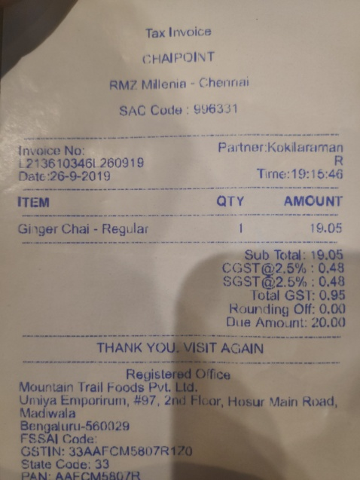
QTY | AMOUNT
Ginger Chai-Regular | 19.05
Sub | Total:
 | 19.05
CGST@2.5%: | 0.48
SGST@2.5%: | 0.48

