Sheet1
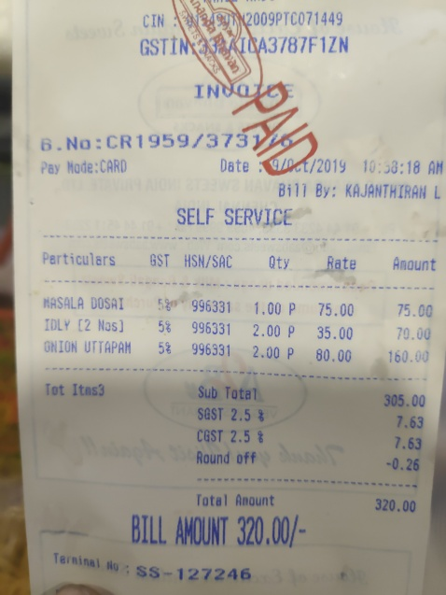
Perticulars | GST | HSN/SAC | Qty | Rate | Amount
MASALA DOSAI | 58 | 996331 | 1.00 P | 75.00 | 75.00
IOLY (2 Nas) | 58 | 996331 | 2.00 P | 35.00 | 70.00
GNION UTTAPAH | 5% | 996331 | 2.00 P | 80.00 | 160.00

