Sheet1
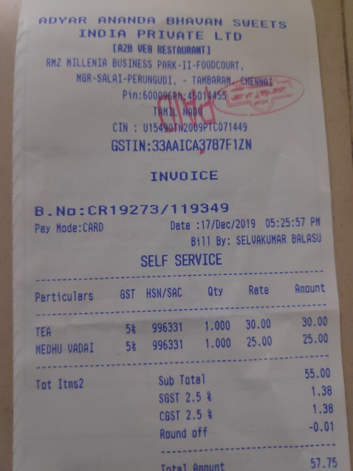
Qty | Rate | Anount
Perticulars GST HSN/SAC 1.000 | 30.00 | 30.00
TEA 5% 996331 1.000 | 25.00 | 25.00
HEDHU VADAI 58 996331 |  | 55.00

