Sheet1
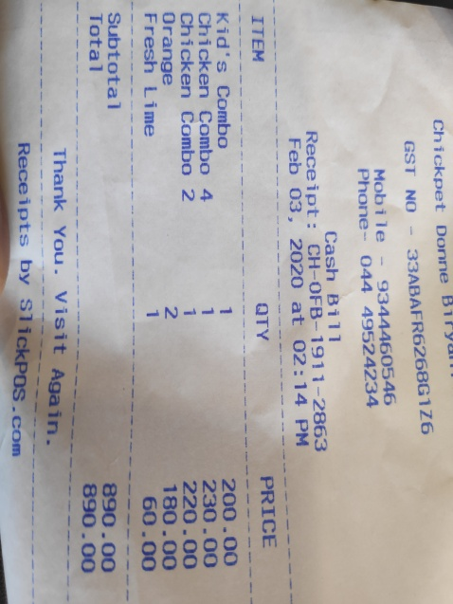
QTY | PRICE
Kid's Combo Chicken Combo 1. | 200.00
4 Chicken Combo 2 | 230.00
Orange | 220.00
Fresh Lime | 180.00
 | 60.00

