Sheet1
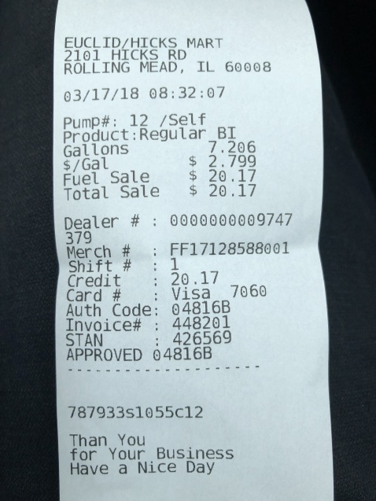
0 | 1
Gallons | 7.206
$/Gal | $ 2.799
0 | Fuel Sale 20.17

