Sheet1
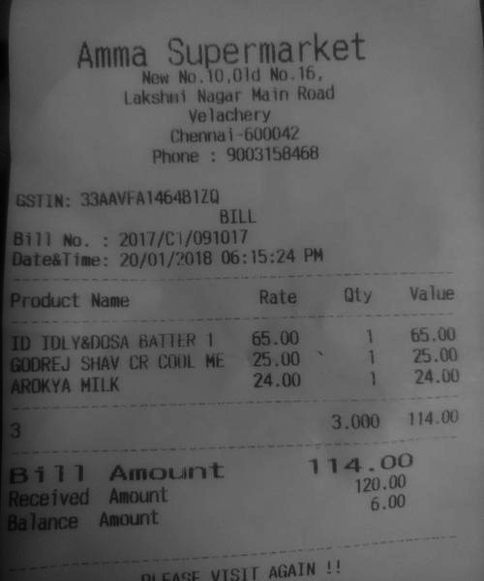
Product Name | Rate | Oty | Value
ID IDLY&DOSA BATTER 1 GODREJ SHAV CR COOL ME AROKYA MILK | 65.00 25.00 24.00 | 1 65.00 25.00 1 24.00

