Sheet1
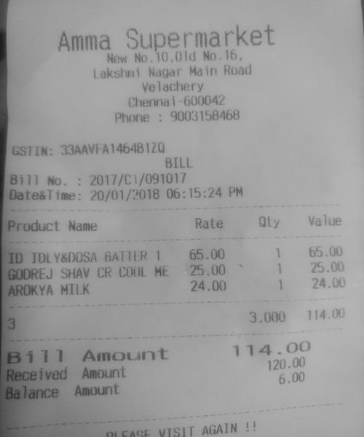
Product Name | Rate | ty | Value
ID IDLY&DOSA BATTER1 GODREJ SHAV CR COOL HE MILK AROKYA | 65.00 165.00 25.001 24.00 3.000 | 25.00 24.00 114.00

