Sheet1
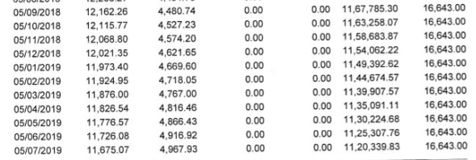
0 | 1 | 2 | 3
12,021.35 | 4,621.65 | 0.00 | 0.00
11,924.95 | 4,718.05 | 0.00 | 0.00
0 | 05/10/2018 2,115.77 | 0.00 | 0.00 11,67,785.30 6,643.00
0 | 4,527.23 | 0.00 | 0.00 11,63,258.07
0 | 2,068.80 | ,574.20 | 16,643.00
0 | 11,973.40 | 4,669.60 | 11,54,062 22 16,643.00
0 | 0.00 | 0.00 11,49,39262 | 16,643.00
0 | 11,876.00 | 4,767.00 | 11,44,674 57 16,643.00
0 | 11,826.54 | 0.00 | 0.00 11,39,907.5716,643.00
0 | 4,816.46 | 0.00 | 0.00 11,35,091.1 16,643.00
0 | .726.08 | 0.00 | 0.00 11,30,224.68 16,643.00
0 | 4,916.92 | 0.00 | 0.00 11,25,307.76
0 | 11,675.07 | 4,967.93 | 16,643.00
0 | 0 | 05/09/2018 12,162.26 | 4.480.74
0 | 0 | 0.00 | 0.00 11,58,683.87 16,643.00
0 | 0 | 11,776.57 | 4,866.43
0 | 0 | 0.00 | 0.00 11,20,339.83 16,643.00

