Sheet1
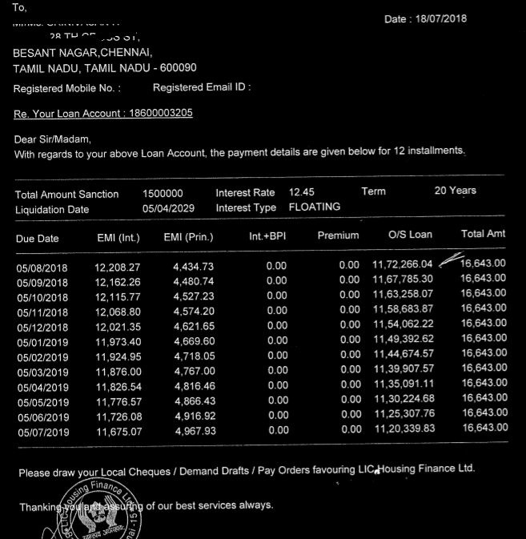
Total | Amount | Sanction | 1500000 | Interest | Rate | 12.45 | Term | 20 | Years
Liquidation Date |  | 05/04/2029 | Interest | Type | FLOATING

