Sheet1
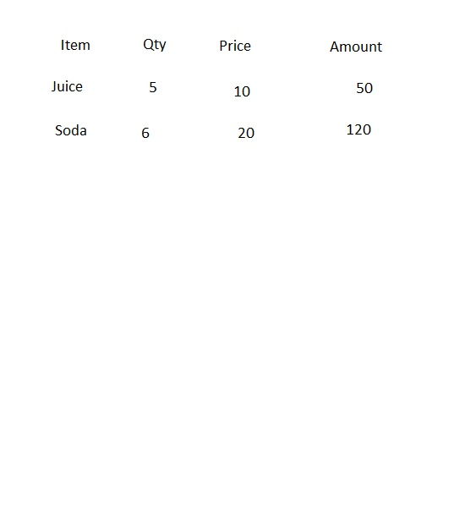
Item | Qty | Price | Amount
Juice | 10 | 50

