Sheet1
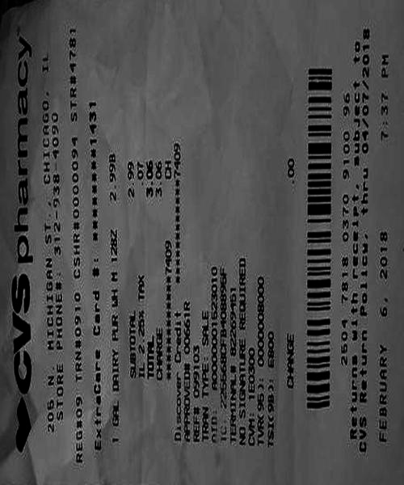
0 | 1 | 2 | 3 | 4
0 | 0 | CHICAGo, | 2.99 | 3.06 3.0
0 | 0 | 0 | 0000094 # | 2.99
thru MICHIGAN PHONE | # | 2.25 | 00661R SALE | 8226995

