Sheet1
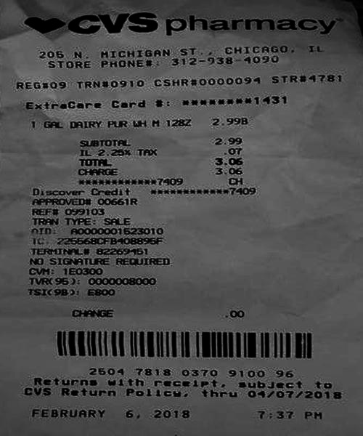
0 | 1
IL 2.25 % TAX | o
0 | 3.0

