Sheet1
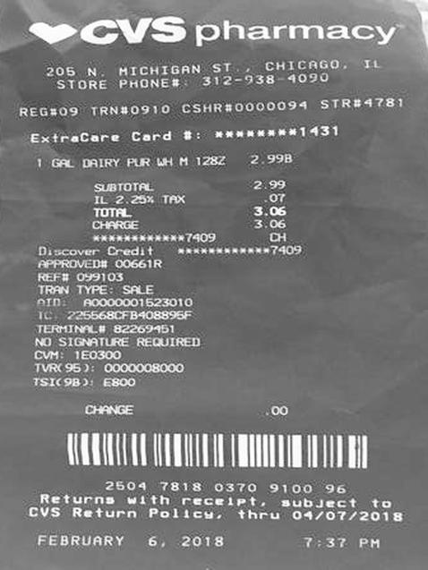
0 | 1 | 2
1 GAL | DAIRY PUR LH M 1282 | 2.99
0 | SUBTOTAL | 2.9
0 | IL 2.25 % TAX 3.06 | .0
0 | TUTFL | 3.0

