Sheet1
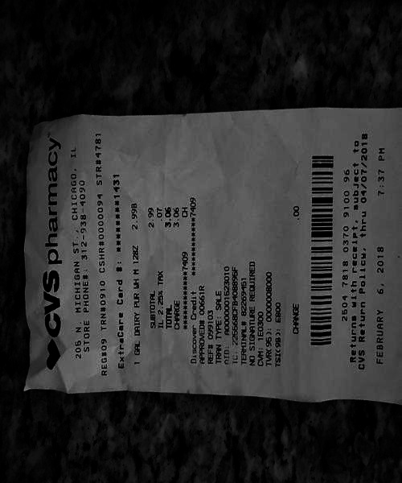
0 | 1
0 | 2.99 3.06 3.0
0 | thr
2.25% | 00661R SAL

