Sheet1
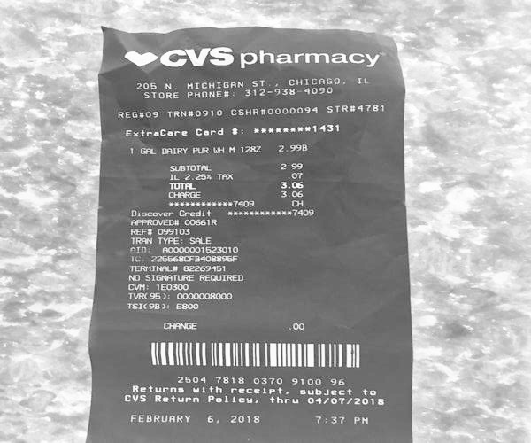
0 | 1 | 2
1 GAL DAIRY PUR LH | H 128 | 2.99
0 | SUBTOTA | 2.9
0 | 0 | IL 2.25 % TA
0 | O7 TUTAL | 3.0
0 | 0 | 3.0
0 | TERMINAL | 82269.5

