Sheet1
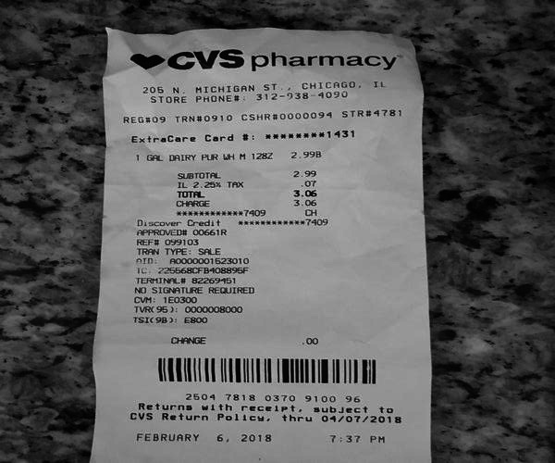
0 | 1
1 GAL DAIRY PUR LH H 128 | 2.998

