Sheet1
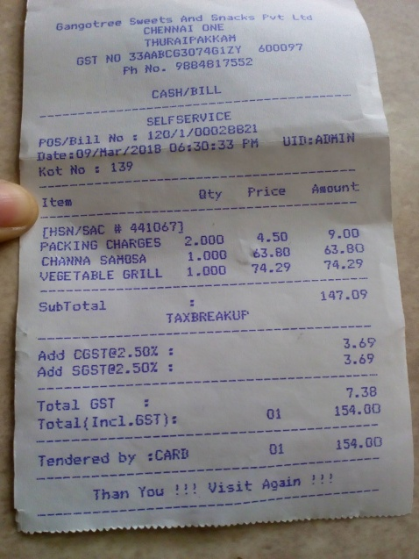
Item | aty | Price | Amount
[ HSN / SAC # 441067 ] PACKING CHARGES | 2.000 | 4.50 | 9.00
 | 1.000 | 63.80 | 63.80
VEGETABLE GRILL 1.000 |  | 7 74.29 | 74.29

