Sheet1
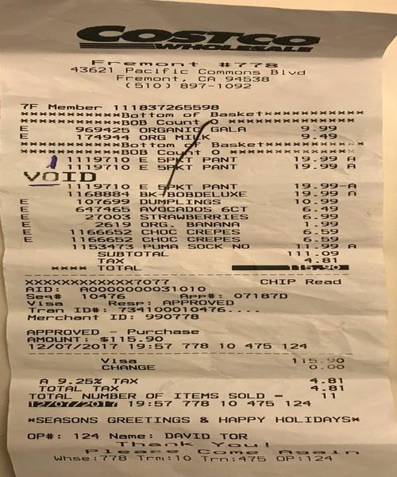
0 | 1 | 2
969 25 ORGAN ! | GALA | 9.99
0 | PANT | 19.99 19.99 F A
0 | 27003 STRAWBERRIES | 6.99

