Sheet1
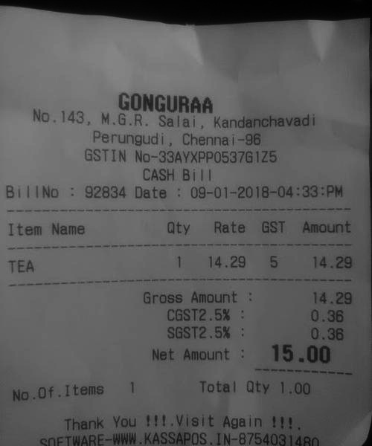
Item Name | aty | Rate | GST | Amount
TEA | 1 | 14.295 |  | 14.29

