Sheet1
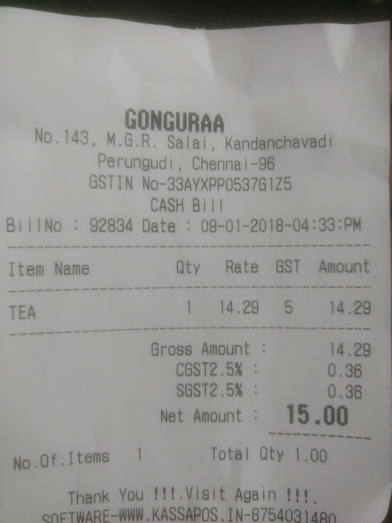
Item Name | aty | Rate | GST | Amount
TEA | 1 14.29 |  | 5 | 14.29

