Sheet1
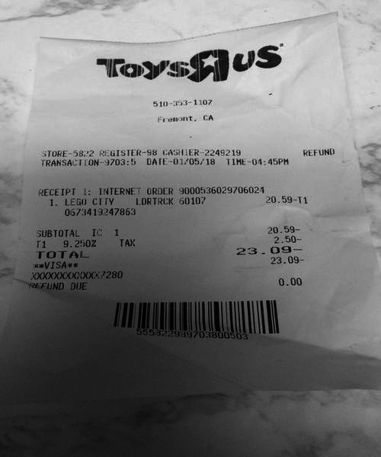
0 | 1 | 2
1. LEGO CITY | LDRTRCK 6010 | 20.59-1
0 | IC 1 | 20.59
0 | TAX | 2.50
0 | 0 | 9.250
0 | 0 | 23.0
0 | 0 | 23.09
0 | 0 | 0.0

