Sheet1
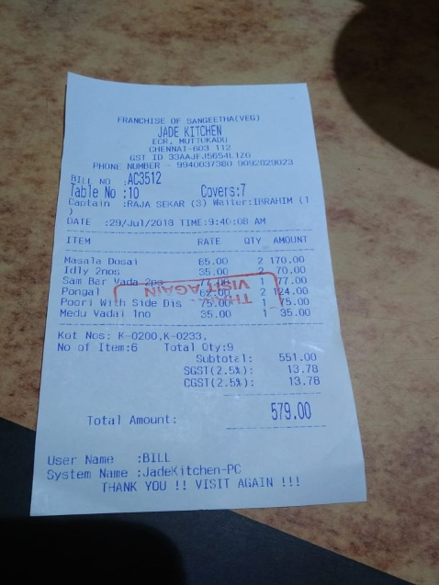
ITEM | RATE | QTY | AMOUNT
Masala Idly Dosa i | 65.00 | 2 | 170.00
Sam 2nos | 35.00 |  | 70.00
Bar Vada-2p Ponga l |  | 2 | 124.00
Poori with Side Dis | ..PSVH.L | nan 1 | Y5.00
 |  |  | h
Medu Vadai 1no | 35.00 | 1 | 35.00
Kot Nos: K-0200,K-0233,

