Sheet1
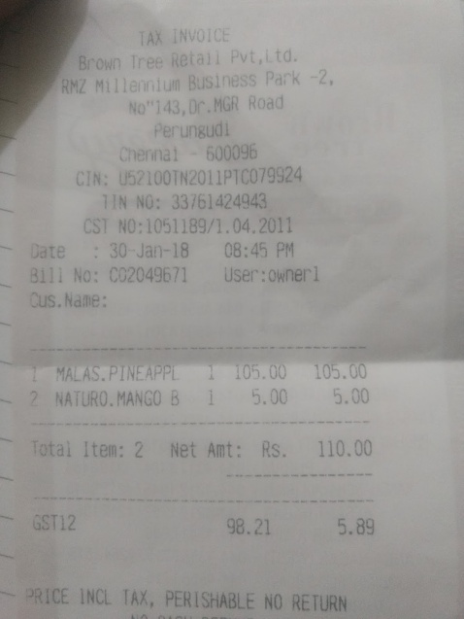
0 | 1
MANGO 8 | 5.00 5.00
0 | CST NO:1051189/1.04.2011
0 | 105.00

