Sheet1
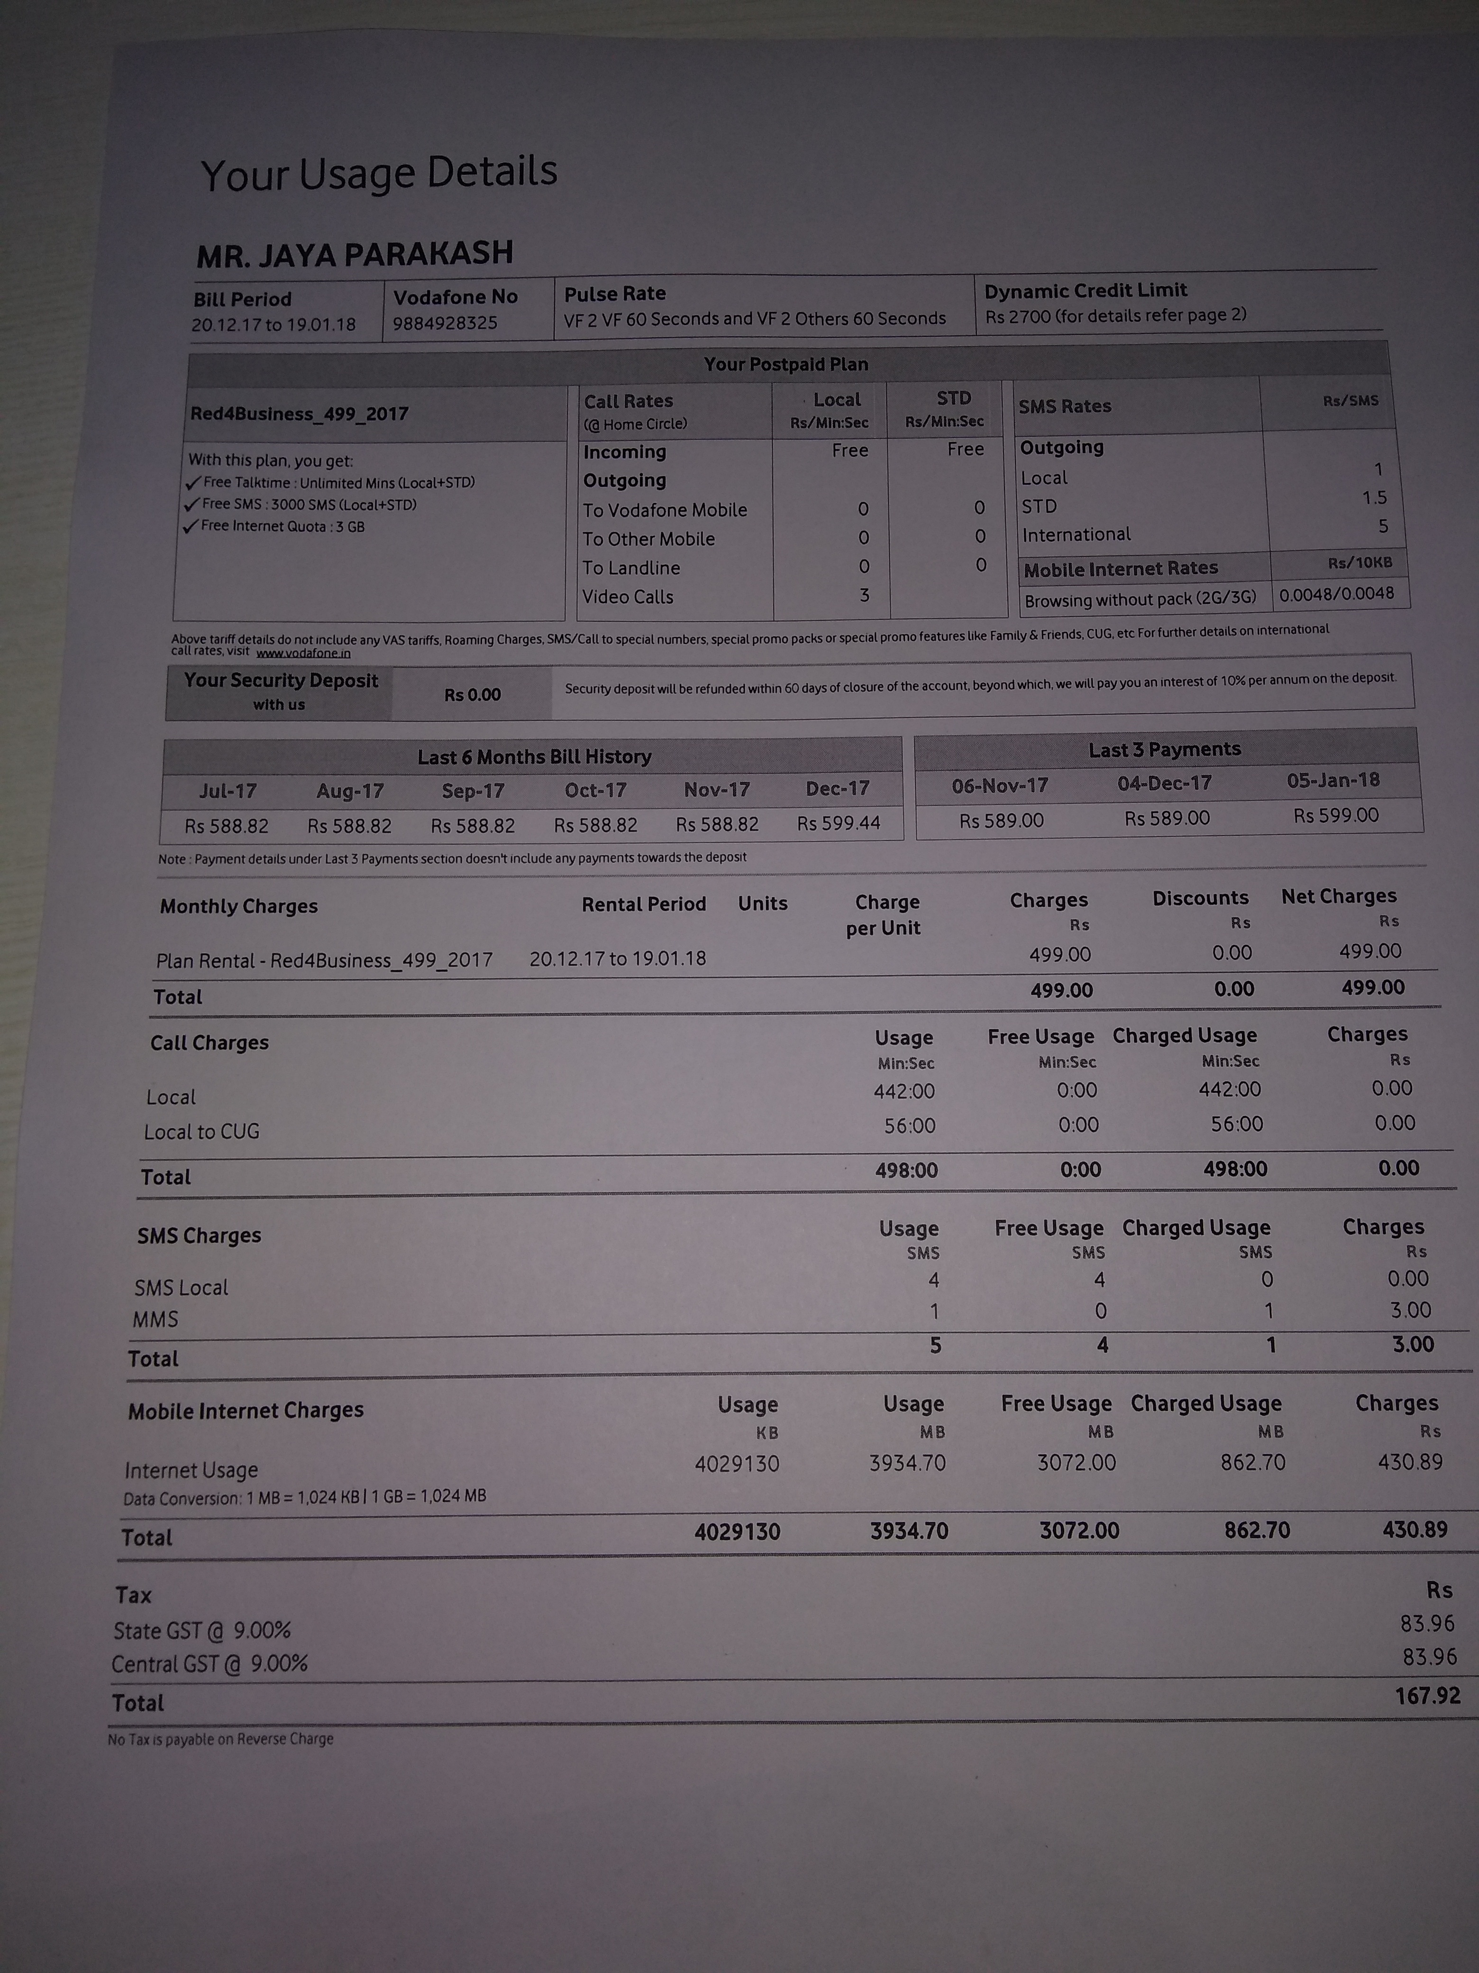
0 | 1
0
0 | 167.92 430.89 430.8
0 | 499.00 499.00 599.00 Charge
0 | 862.70 862.7
0 | Payments 589.0
Usage | 3072.0
Usage | 3072.0
0 | 499.00 499.00 589.0
0 | 3934.70 3934.7
0 | 599.44 refunded 588.82 towards 19.01.18 588.82 payments Oct-17 Rs 20.12.17 588.82 588.82 us unde
0 | Charge wit
0 | 9.00 : 9.0
588.82
0 | Payment Charge

