Sheet1
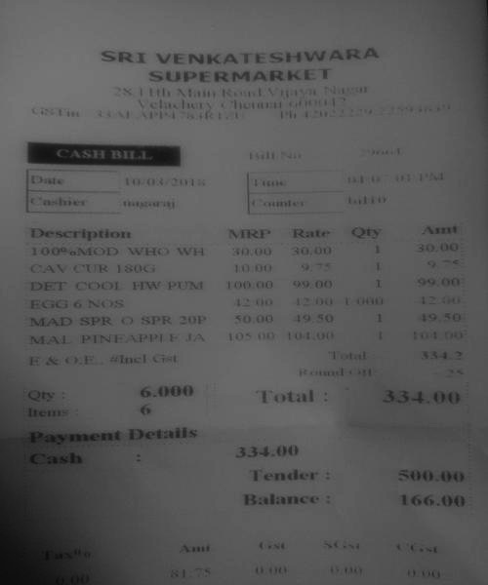
Description | MRF | Rate | Oty
100 % NIOD wrHowrH DET COOL FIW PUN EGG 6NOS MAD SPR O SPR 20P MAL PINEAPPLEJA oty | 30.00 30.00 1 30.00 100.00 99 00 199 00 12 00 42 00 1 002u 50.00 19 s0 1 49.5o 105 00 104.00 Total 3342 Total334.00

