Sheet1
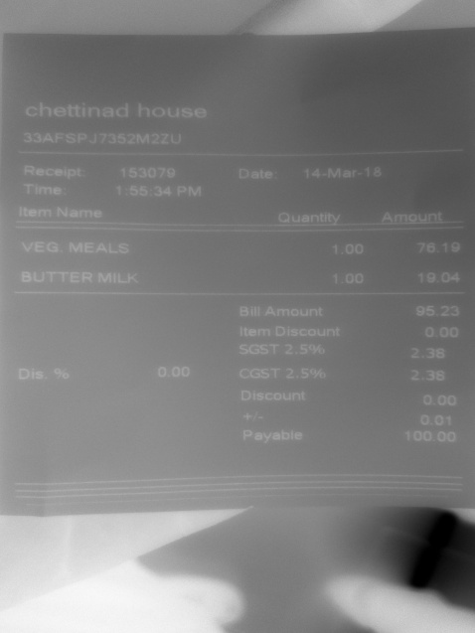
Item Name | Quantity | Amount

