Sheet1
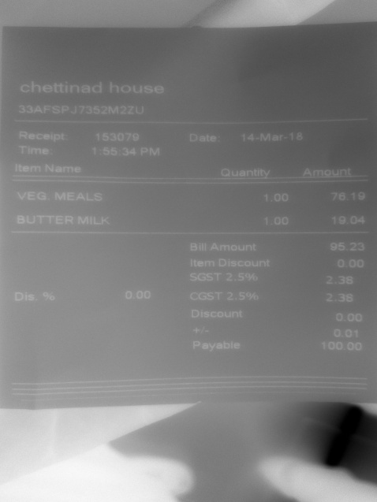
Item Name | Quantity | Amount
VEG MEALS | 1.00 | 76.19
BUTTER MILK | 1.00 | 19.04
Bill | Amount | 95.

