Sheet1
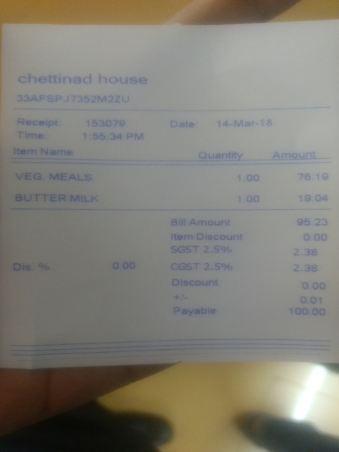
item Name | uantity | Amount
VEG MEALs | 1.00
 |  | 76.19

