Sheet1
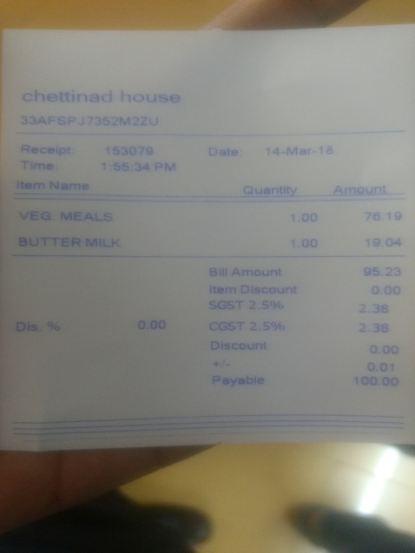
item Name | uantity | Amount
VEG MEALs | 1.00
BUTTER MILK | 1.00 | 76.19 19.04

