Sheet1
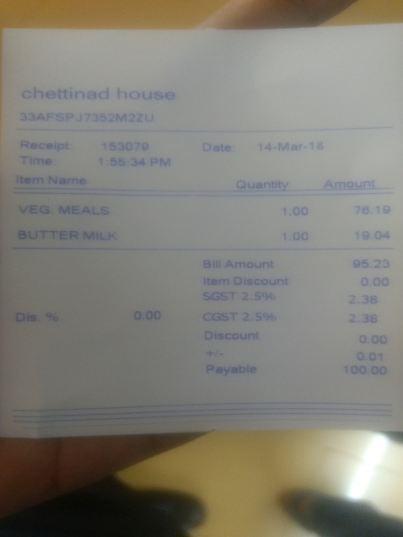
item Name | uantity | Amount
VEG MEALs | 1.00 | 76.19
BUTTER MILK | 1.00 | 19.04

