Sheet1
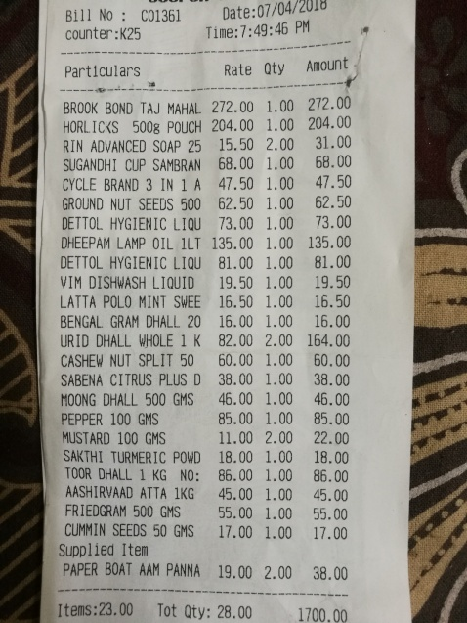
Particulars | Rate | Oty | Amount
BROOK BOND TAJ MAHAL | 272.00 1.00 |  | 272.00
HORLICKS 5008 POUCH | 204.00 1.00 |  | 204.00
RIN ADVANCED SOAP 25 | 15.50 2.00 |  | 31.00
SUGANDHI CUP SAMBRAN | 68.00 1.00 |  | 68.00
CYCLE BRAND 3 IN 1 A | 47.50 1.00 |  | 47.50
GROUND NUT SEEDS 500 | 62.50 1.00 |  | 62.50
DETTOL HYGIENIC LQU | 73.00 1.00 |  | 73.00
DHEEPAM LAMP OIL 1LT | 135.00 1.00 |  | 135.00
DETTOL HYGIENIC LIQU | 81.00 1.00 |  | 81.00
VIM DSHWASH LIQUID | 19.50 1.00 |  | 19.50
LATTA POLO MINT SWEE | 16.50 1.00 |  | 16.50
BENGAL GRAM DHALL 20 | 16.00 1.00 |  | 16.00
URID DHALL WHOLE 1 K CASHEW NUT SPLIT 50 | 82.00 2.00 60.00 1.00 | 164.0 | 60.00
SABENA CITRUS PLUS D MOONG | 38.00 1.00 |  | 38.00
DHALL 500 GMS 46.00 PEPPER 100 GMS | 1.00 85.00 1.00 | 46.0 | 85.00
MUSTARD 100 GMS | 11.00 2.00 |  | 22.00
SAKTHI TURMERIC POWD TOOR DHALL | 18.00 1.00 |  | 18.00
1 KG NO: | 86.00 1.00 |  | 86.00
AASHRVAADATTA 1KG 45.00 FRIEDGRAM 500 GMS 55.00 CUMMIN SEEDS 50 GMS 17.00 | 1.00 1.00 1.00 | 45.00 55.00 17.00

