Sheet1
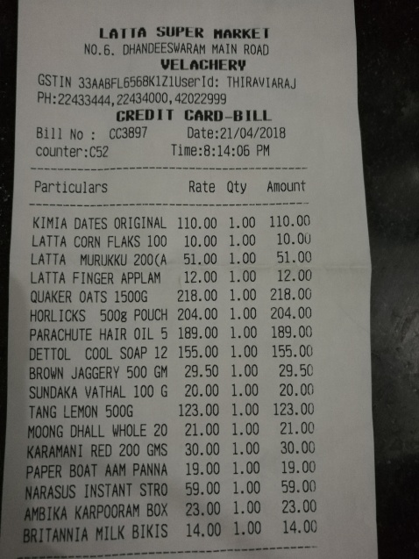
Particulars | Rate | Qty | Amount

