Sheet1
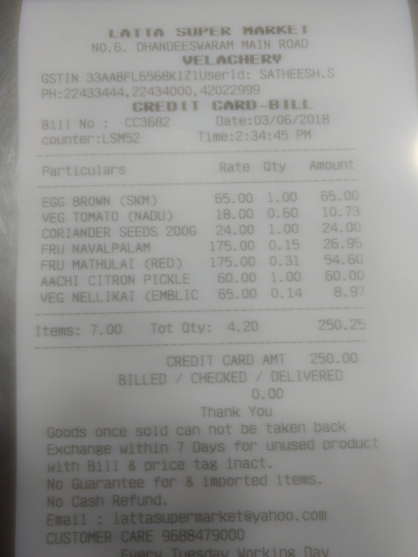
Particulars | Rate | Oty | Amount
EGG BROWN (SKM | 65.00 | 1.00
VEG TOMATO (NADU | 18.00 | 65.00 0.60
CORANDER SEEDS 200G | 24.00 | 10.7 1.00
FRU NAVALPALAM | 175.00 | 24.00
FRU MATHULAI CRED) | 175.00 | 0.1526.9 0.31
ACHI CITRON PICKLE | 60.00 | 54.60 1.00
EG NELLIKAI (EMBLIC | 65.00 | 60.00 0.14 8.9

