Sheet1
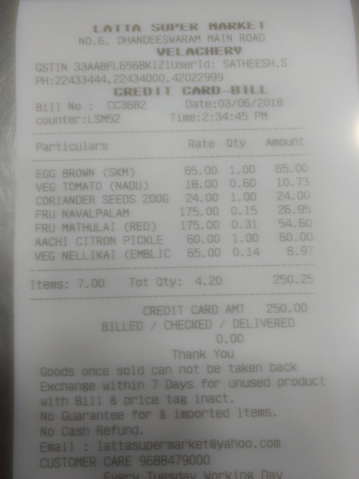
Particulars | Rate | Oty | Amount
EGG BROWN (SKM | 65.00 | 1.00 65.00
VEG TOMATO (NADU | 18.00 | 0.60 10.7
CORANDER SEEDS 200G | 24.00 | 1.00 24.00
FRU NAVALPALAM | 175.00 | 0.1526.9
FRU MATHULAI CRED) | 175.00 | 0.31 54.60
ACHI CITRON PICKLE | 60.00 | 1.00 60.00
EG NELLIKAI (EMBLIC | 65.00 | 0.14 8.9

