Sheet1
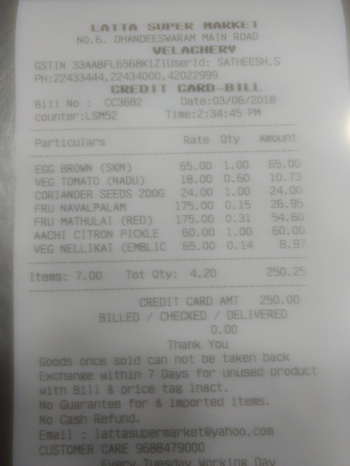
Particulars | Rate | Oty | Amount
EGG BROWN (SKM VEG TOMATO (NADU CORANDER SEEDS 200G FRU NAVALPALAM FRU MATHULAI CRED) ACHI CITRON PICKLE EG NELLIKAI (EMBLIC | 65.00 18.00 24.00 175.00 175.00 60.00 65.00 | 1.00 65.00 0.60 10.7 1.00 24.00 0.1526.9 0.31 54.60 1.00 60.00 0.14 8.9

