Sheet1
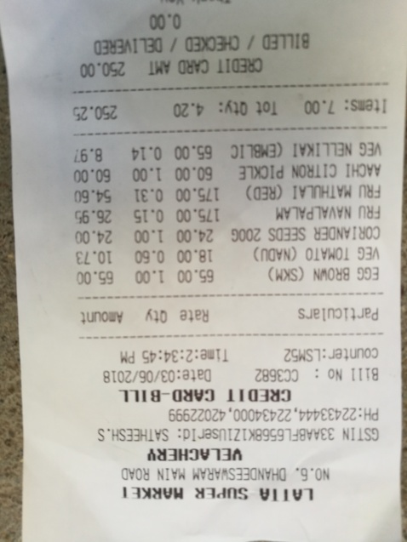
Amount | Qty | Rate | Particulars

