Sheet1
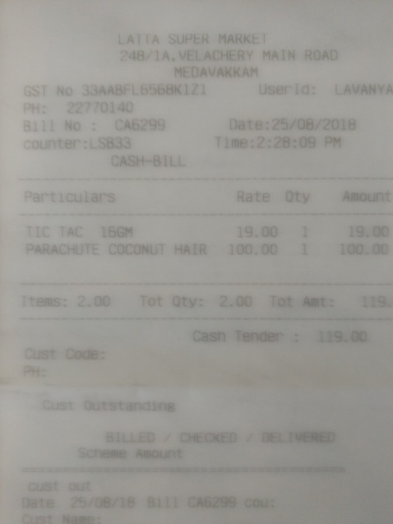
Particulars | Rate | Oty | Amount
TIC TAC 16GM | 19.00 |  | 1900
PARACHUTE COCONUT HAIR | 100.00 | 1 | 100.00

