Sheet1
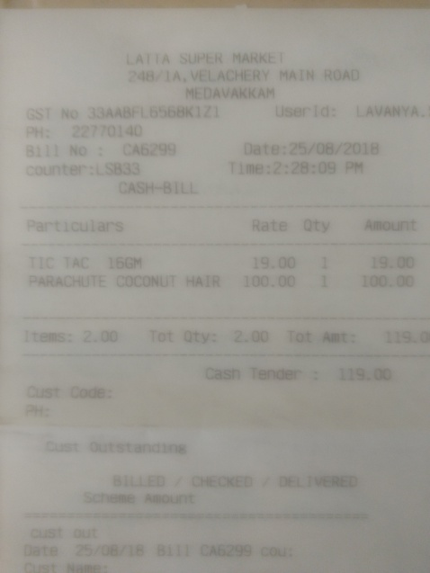
Particulars | Rate | ty | AOunt
TIC TAC 16GM PARACHUTE COCONUT HAIR | 9.00 100.00 | 19.00 100.00

