Sheet1
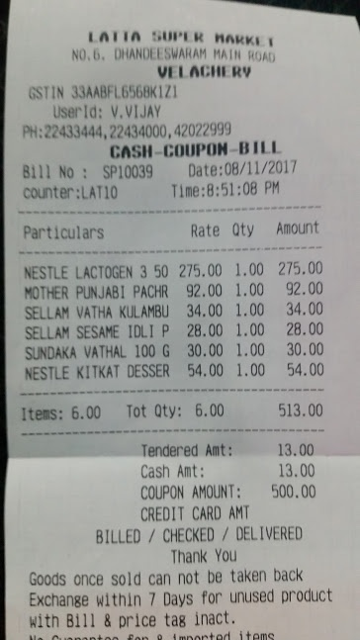
Particulars | Rate | Oty | Amount
NESTLE LACTOGEN 3 50 | 275.00 | 1.00 | 275.00
MOTHER PUNJABI PACHR | 92.00 | 1.00 | 92.00
SELLAM VATHA KULAMBU | 34.00 | 1.00 | 34.00
SELLAM SESAME IDLI P | 28.00 | 1.00 | 28.00
SUNDAKA VATHAL 100 G | 30.00 | 1.00 | 30.00
NESTLE KITKAT DESSER | 54.00 | 1.00 | 54.00

