Sheet1
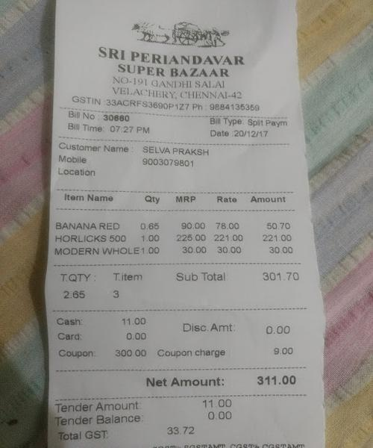
Iterm Name | Qty | MRP | Rate | Amount
BANANA RED 065 |  | 90.00 | 78.00 | 50.70
HORLICKS 500 | 1.00 | 225.00 | 221.00 | 221.00
MODERN WHOLE1.00 |  | 3 30.00 | 30 00 | 30

