Sheet1
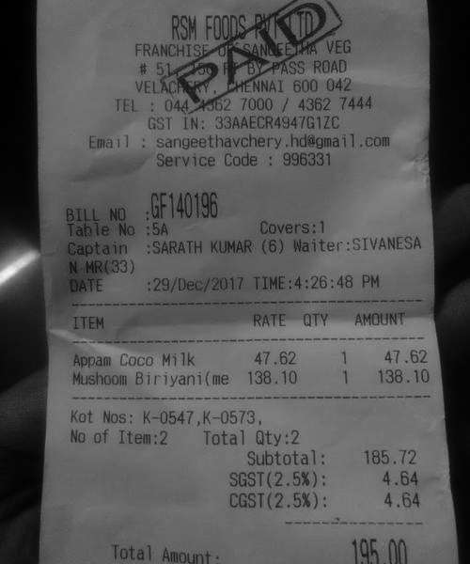
ITEM | RATE | QTY | AMOUNT
Appam Coco Milk | 47.62 |  | 1
 |  |  | 47.62

