Sheet1
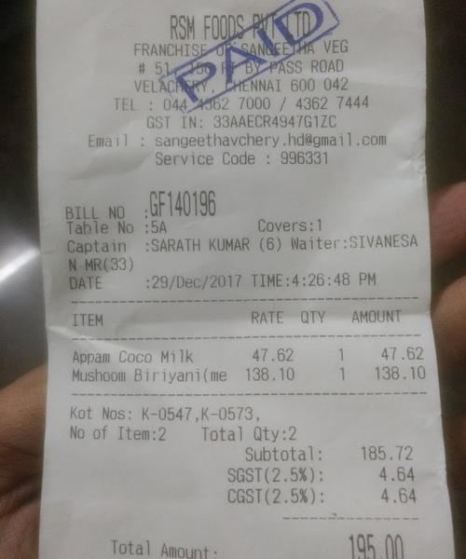
ITEM | RATE | QTY | AMOUN
Appan Coco Milk | 47.62 | 1 | 47.62
Mushoom Biriyani(me | 138.10 |  | 138.10

