Sheet1
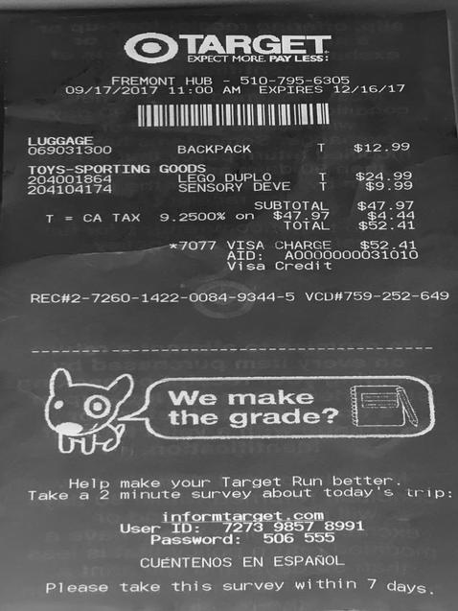
0 | 1 | 2
0 | 0 | LUGGAGE T $%12.9
204001864 LEGO DUPLO | T | $24.9
204104174 SENSORY DEVE | T | $9.9
0 | SUBTOTAL | $47.9
T = CA TAX 9.2500 % on $ 47.97 | $ | 4.4
0 | TOTAL | $52.4
0 | x7077 VISA CHARGE | $52.4

