Sheet1
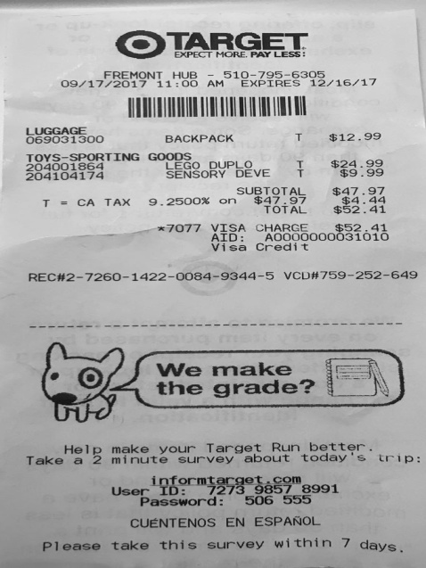
0 | 1 | 2 | 3
0 | LUGGAGE BACKPACK | T | $12.9
0 | 0 | TOYS-SPORTING GOODS DUPLO | T $$24.9
0 | 204001864 LEGO | DEVET | $9.9
0 | 0 | SUBTOTAL | $47.9
T = CA TAX | 9.2500 % on | $ 47.97 | $4.4
0 | 0 | TOTAL | $52.4
0 | 0 | 0 | x7077 VISA CHARGE 52.4

