Sheet1
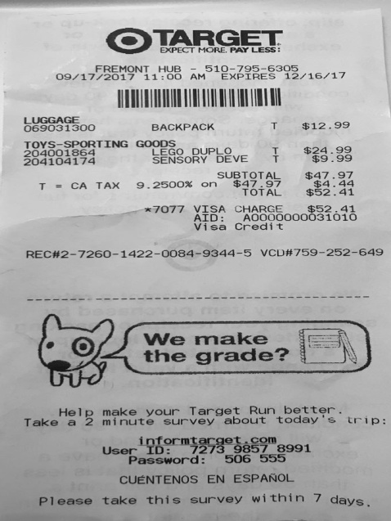
0
LUGGAGE BACKPACK T $12.9

