Sheet1
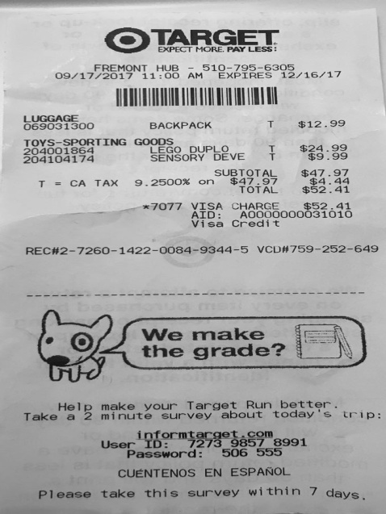
0 | 1
LUGGAGE BACKPACK T | $12.9
TOYS-SPORTING GOODS | DUPLO T $$24.9
204001864 LEGO DEVET | $9.9

