Sheet1
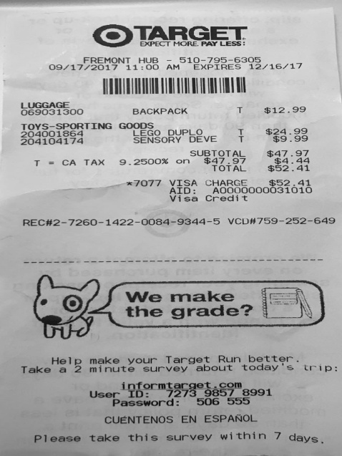
0 | 1 | 2 | 3
LUGGAGE | BACKPACK | T | $12.99
204001864 | LEGO | DEVET | $9.99
0 | TOYS-SPORTING GOODS DUPLO | T $$24.99 | 0

