Sheet1
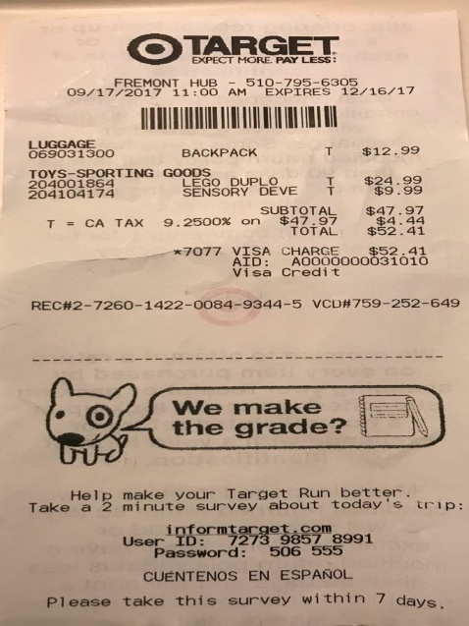
0 | 1 | 2 | 3
LUGGAGE | BACKPACK | T | $12.99
0 | 204001864 | LEGO DUPLO | $9.99 :
0 | 0 | TOYS-SPORTING TING GOLENSORJELOVE GOODS | T $$24.99 $ 18 83

