Sheet1
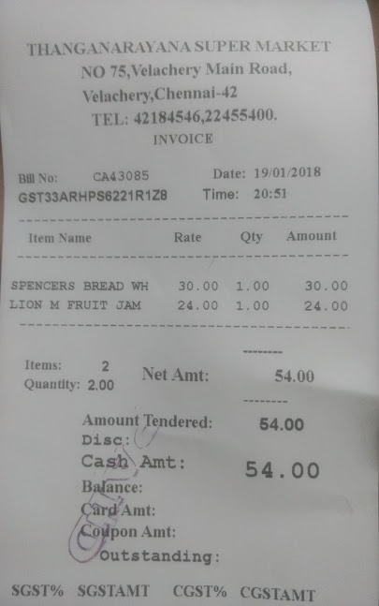
Item Name | Rate | Oty | Amount
SPENCERS BREAD WH | 30.00 | 1.00 | 30.00
LION M FRUIT JAM | 24.00 | 1.00 | 24.00

