Sheet1
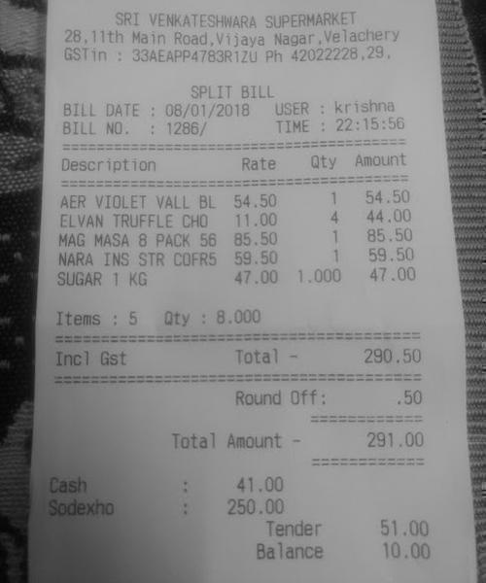
Description | Rate | Qty | Amount
AER VIOLET VALL BL | 54.50 1 |  | 54.50
ELVAN TRUFFLE CHO | 11.00 4 |  | 44.00
MAG MASA 8 PACK 56 | 85.501 |  | 85.50

